Sheet1
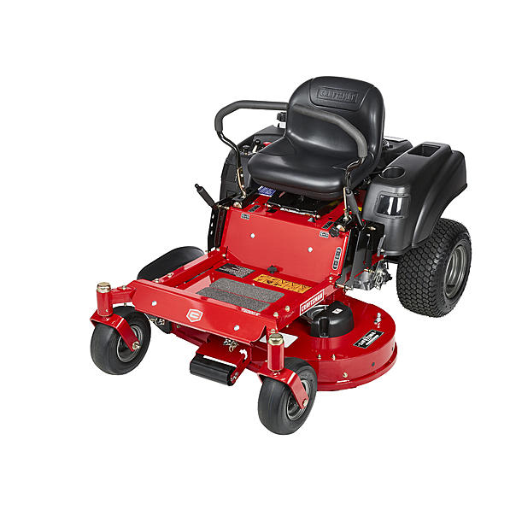
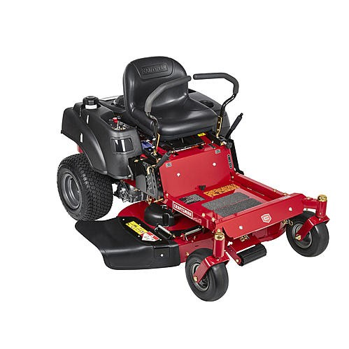
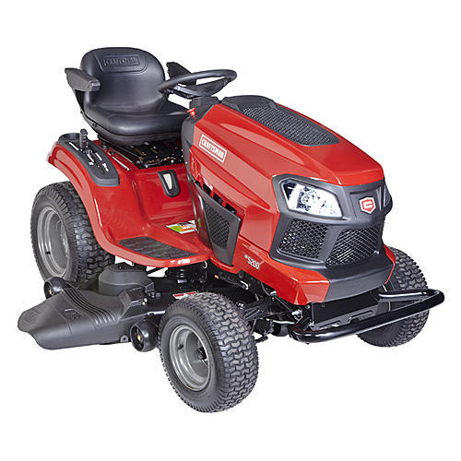
Department | Item ID | Description | QTY | Retail | Ext. Retail
Lawn & Garden | 20400 | 22hp Kohle,cm R Eng 42'cu | 2 | $3,499.99 | $6,999.98
Lawn & Garden | 27771 | 42 In Fab ,cm 21.5 Hp Kaw | 3 | $3,449.99 | $10,349.97
Lawn & Garden | 27800 | 46 In Rein,cm F 22 Hp Bsz | 1 | $3,149.99 | $3,149.99
Lawn & Garden | 20407 | 24hp 48in,cm Ready Start | 10 | $2,999.99 | $29,999.90
Lawn & Garden | 24000 | 48 Deck 2, Bin Zt Bagger | 6 | $699.99 | $4,199.94
Lawn & Garden | 24000 | 50 In Rzt,bagger | 4 | $629.99 | $2,519.96
Lawn & Garden | 24000 | 46in Ztr,cm Bagger | 6 | $599.99 | $3,599.94
 |  |  | 32 |  | $60,819.68

